Prob1
Part a)
 | 0 | #NUM!

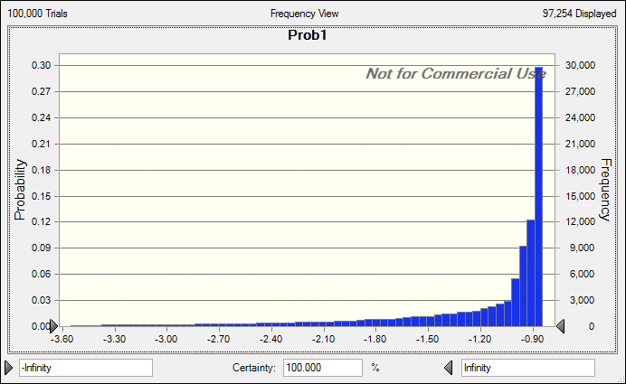

Forecast: Prob1
Statistic | Forecast values
Trials | 100,000
Base Case | '---
Mean | -1.33
Median | -0.97
Mode | '---
Standard Deviation | 0.79
Variance | 0.63
Skewness | -2.98
Kurtosis | 15.07
Coeff. of Variation | -0.5984
Minimum | -10.94
Maximum | -0.85
Mean Std. Error | 0

Prob2
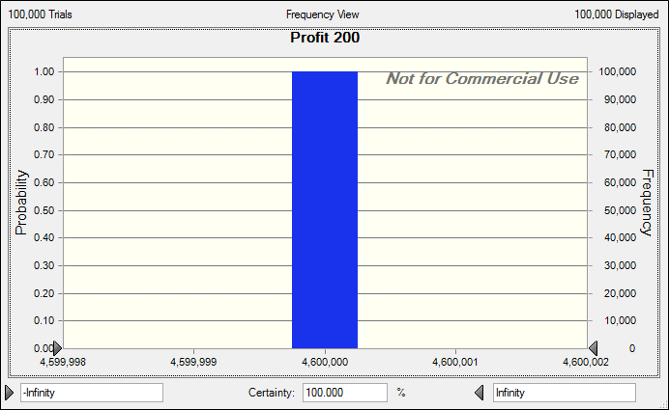
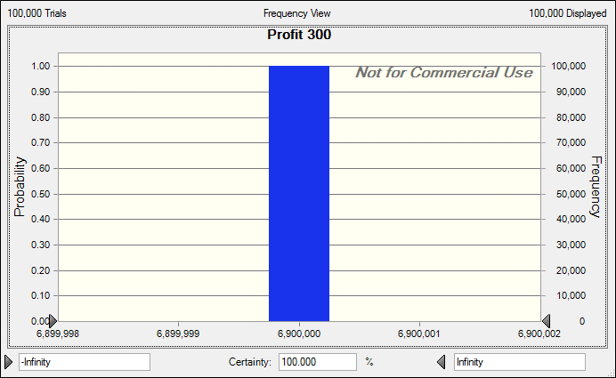
GMC Dealer

Regular Season Demand (9/04-6/05) | 0 | Initial Cost | 25000
Left Over Fraction | 0 | Selling Price (9/04-6/05) | 40000
 |  | Selling Price (7/05-8/05) | 33000
 |  | Selling Price (After 8/05) | 27000

 |  | Convert to
 |  | 0

 |  |  |  |  |  |  |  | Profit Statistics |  | Profit % Statistics
Order Level | Net Cost | Reg Season Revenue | Jul -Aug Sales | July Aug Rev | Remaining Revenue | Profit | Profit % | Mean | Standard Deviation | Mean | Standard Deviation
200 | 5000000 | 3000000 | 8000000 | 1600000 | 1400000 | 4600000 | 0.08 | 23000 | 11400 | 0.16666666667 | 0.16703296703
220 | 5500000 | 3300000 | 8800000 | 1760000 | 1540000 | 5060000 | 0.08 | 23000 | 11390 | 0.16666666667 | 0.16688644689
240 | 6000000 | 3600000 | 9600000 | 1920000 | 1680000 | 5520000 | 0.08 | 23000 | 11380 | 0.16666666667 | 0.16673992674
260 | 6500000 | 3900000 | 10400000 | 2080000 | 1820000 | 5980000 | 0.08 | 23000 | 11370 | 0.16666666667 | 0.16659340659
280 | 7000000 | 4200000 | 11200000 | 2240000 | 1960000 | 6440000 | 0.08 | 23000 | 11360 | 0.16666666667 | 0.16644688645
300 | 7500000 | 4500000 | 12000000 | 2400000 | 2100000 | 6900000 | 0.08 | 23000 | 11350 | 0.16666666667 | 0.1663003663

Total | 37500000 | 22500000 | 60000000 | 12000000 | 10500000 | 34500000 |  | 138000 | 68250

